BRs
Title | [PROD][WEB][Catalog] "Add to Cart" button is missing for specific products when the products are In Stock |  |  |  |  | Title | [PROD][WEB][Catalog] Product images are not displayed on the Accessories category page |  |  |  |  | Title | [PROD][WEB][Account] User can register an account with an email address exceeding the maximum character limit |  |  |  |  | Title | [PROD][WEB][API] 'Login' request returns "200 OK" for incorrect password

Bug report ID | Severity | Priority | Linked Test Case | Browser | Environment | Bug report ID | Severity | Priority | Linked Test Case | Browser | Environment | Bug report ID | Severity | Priority | Linked Test Case | Browser | Environment | Bug report ID | Severity | Priority | Linked Test Case | Browser | Environment
BR-1 | Critical | High | TC-02-01 | Chrome | Production | BR-2 | Medium | Medium | TC-02-02 | Chrome | Production | BR-3 | Low | Medium | TC-01-02 | Chrome | Production | BR-4 | High | Critical | TC-05-02 | Chrome | Production

Preconditions: |  |  |  |  |  | Preconditions: |  |  |  |  |  | Preconditions: | User is not logged in (browsing as a guest) The email address used does not already exist in the system |  |  |  |  | Preconditions: | User is not logged in The email address already exists in the system.
Description | "Add to Cart" button is completely absent on specific product pages, even though the product availability is listed as In Stock. Affected URLs, e.g: - https://demowebshop.tricentis.com/science - https://demowebshop.tricentis.com/fiction-ex The button is present and working as expected on other product pages, e.g.: - https://demowebshop.tricentis.com/computing-and-internet |  |  |  |  | Description | All products on the Accessories category page display a "NO IMAGE AVAILABLE" placeholder instead of actual product images. |  |  |  |  | Description | The email field on the registration page does not enforce a maximum character length. A user can successfully create an account using an email address that is 65 or more characters long, which exceeds the 64-character limit. |  |  |  |  | Description | The POST /login endpoint returns a 200 OK status code when a user submits a wrong password, instead of the correct 401 Unauthorized response.
Steps to Reproduce | 1. Navigate to https://demowebshop.tricentis.com/fiction-ex 2. Pay attention to the "Add to Cart" button area on the product page |  |  |  |  | Steps to Reproduce | 1. Navigate to https://demowebshop.tricentis.com/accessories 2. Pay attention to the product images in the product listing grid |  |  |  |  | Steps to Reproduce | 1. Navigate to Registration Page: https://demowebshop.tricentis.com/register 2. Fill in all required fields with valid data, except the Email field (e.g. Gender: Male, First name: John, Last name: Smith, Password: Test@12345!) 3. Enter email more than 65 characters including a valid domain (e.g. @gmail.com) in the Email field To count characters use https://wordcounter.net/character-count 4. Click the "Register" button 5. Pay attention to the top right header menu and the registration result message |  |  |  |  | Steps to Reproduce | 1. Navigate to https://demowebshop.tricentis.com/login 2. Send a POST request with a valid email and an incorrect password: СURL - for convenience: curl --location 'https://demowebshop.tricentis.com/login' \ --form 'Email="test.acc@gmail.com"' \ --form 'Password="Test@1234\\\!\\\!\\\!"' 3. Pay attention to the HTTP response status code
Expected Result | The "Add to Cart" button is visible and accessible on the product page. |  |  |  |  | Expected Result | Each product should display its corresponding product image in the listing grid |  |  |  |  | Expected Result | The system should reject the registration and display "Wrong email" error. |  |  |  |  | Expected Result | The server returns 401 Unauthorized, indicating that authentication has failed due to incorrect credentials
Actual Result | The "Add to Cart" button is missing from the product page. |  |  |  |  | Actual Result | All products show a "NO IMAGE AVAILABLE" placeholder |  |  |  |  | Actual Result | Registration completes successfully. The confirmation message "Your registration completed" is shown, and the full oversized email address appears in the top right header menu. |  |  |  |  | Actual Result | The server returns 200 OK, incorrectly suggesting that the login was successful despite the wrong password being provided
Attachments |  |  |  |  |  | Attachments |  |  |  |  |  | Attachments |  |  |  |  |  | Attachments
Actual |  |  |  |  |  | Actual |  |  |  |  |  | Actual
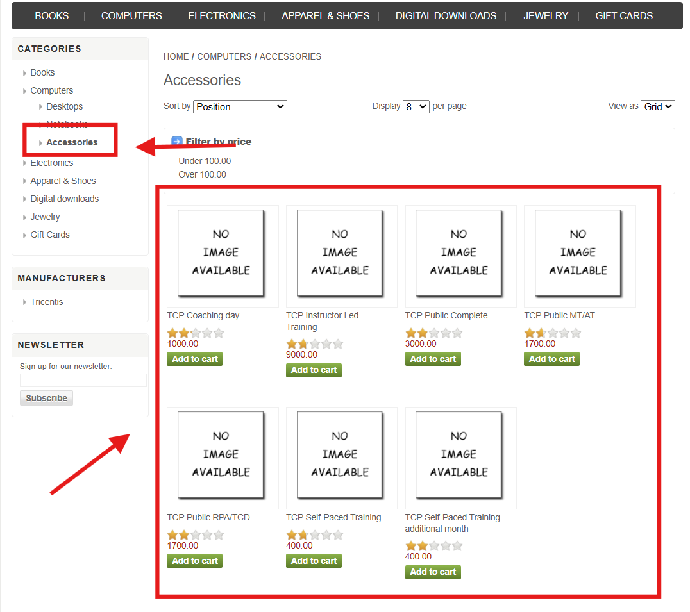
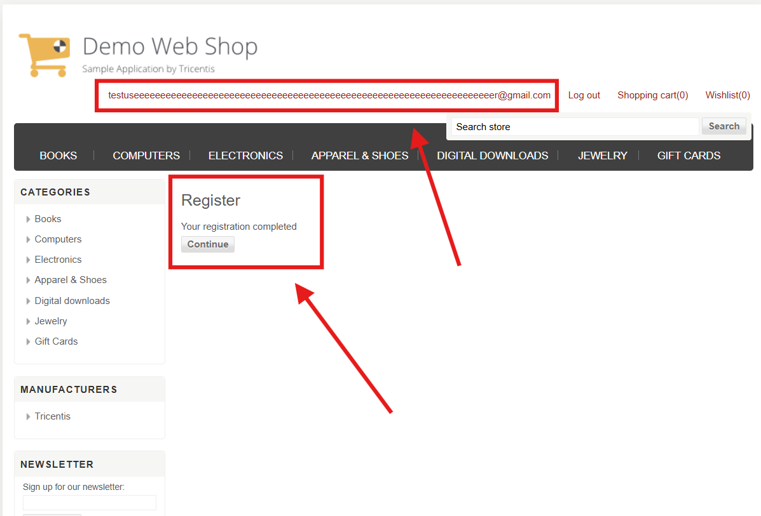
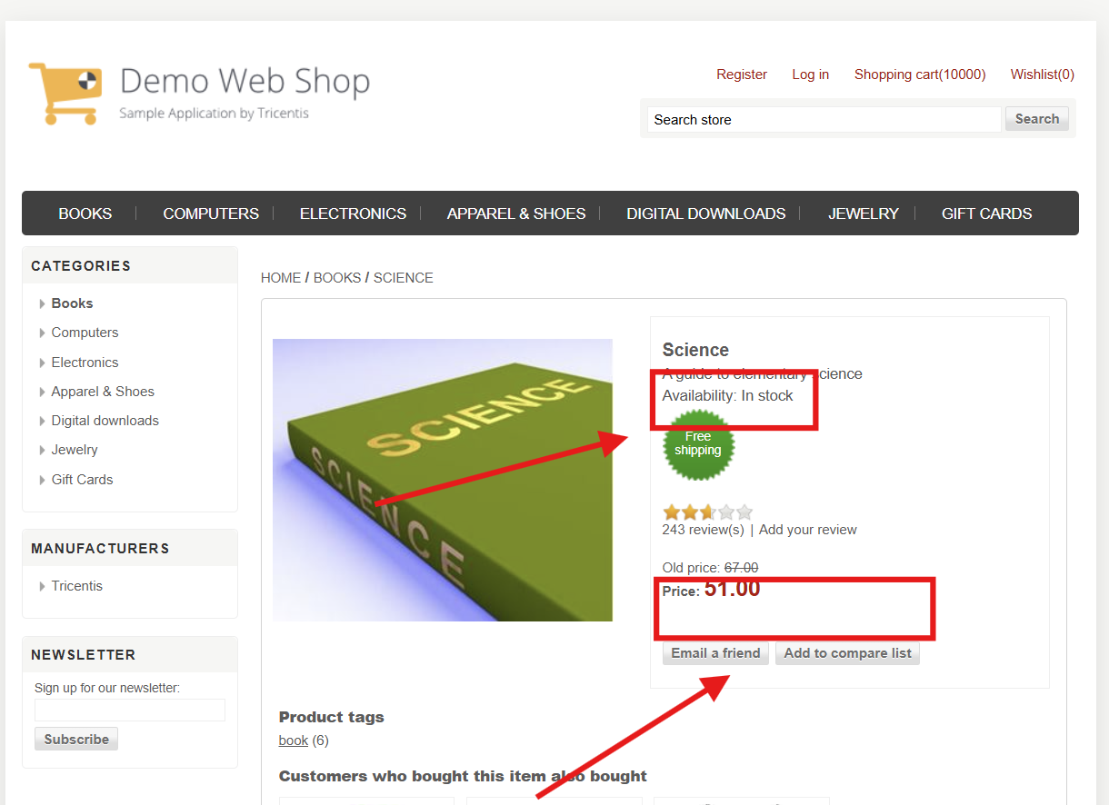

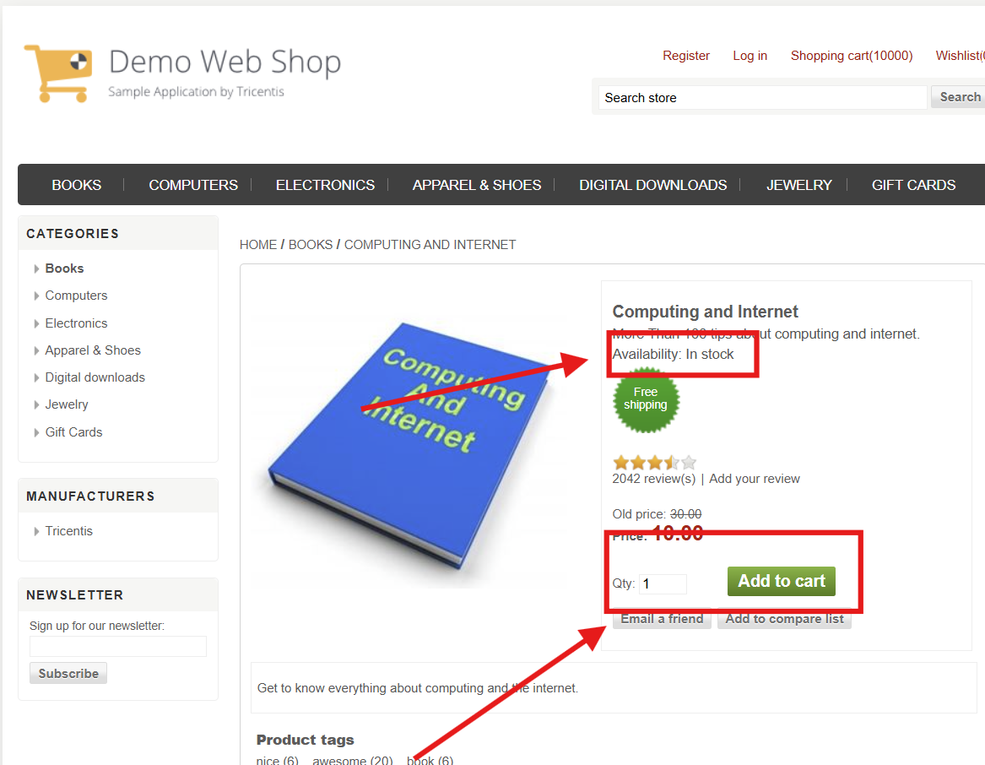
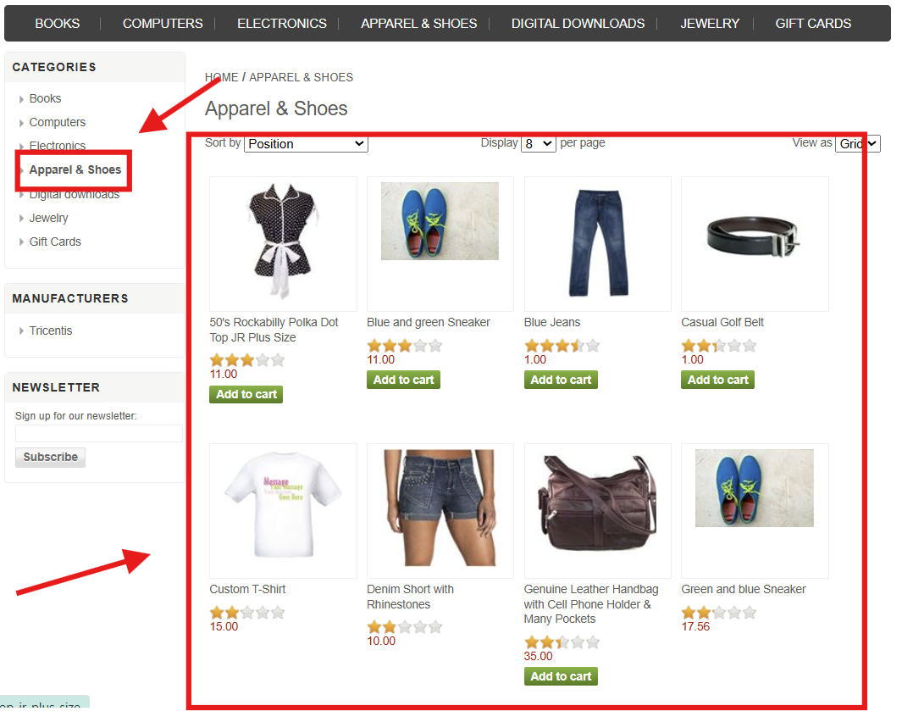
Expected |  |  |  |  |  | Expected

